Sheet1
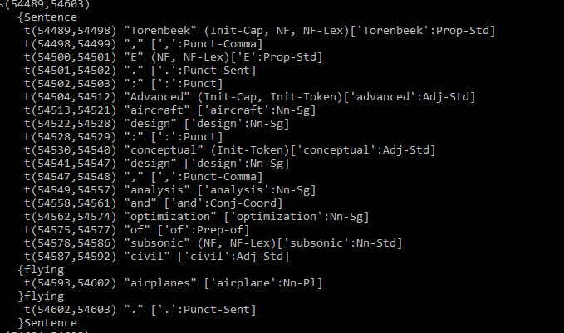
Name | Dictionary | Rule | Who | Attributes | Relevant words | Issues | General thoughts | Complete
Manufacturers | Word list |  | Tim |  | list of manufacturers, see manufacturers.wow |  |  | Continuous
Distance |  | Recognising distance |  |  | available seat miles (ASM), available seat kilometers (ASK)
Speed |  | Recognising speed | Atanas
Battery | Word list |  | Sjoerd |  | lithium, li-ion, density, cell, range, accumulators, cells, power, charging |  | Input = "normalized_stem" | WIP
BatteryDens |  | Recognising battery density | Sjoerd |  |  |  |  | Done
EnginePower |  | Recognising Engine power (in kW/kg) | Sjoerd |  |  |  |  | Done
EngineType | Word list |  | Sjoerd |  |  | "ice" is seen as ICE (internal combustion engine) |  | WIP
Years |  |  | Tim |  | The xxth century, xxxx's, xx's -> nineties etc. | Fox example: '2010' could also be meant as an amount but it will be registered as a year |  | Done
Sources/names | ? | ?

 | Is there a way we can extract this without having to write a massive dictionary?

 | Extraction of sources. We might need python for this.

